UI
 | MÔ TẢ UI

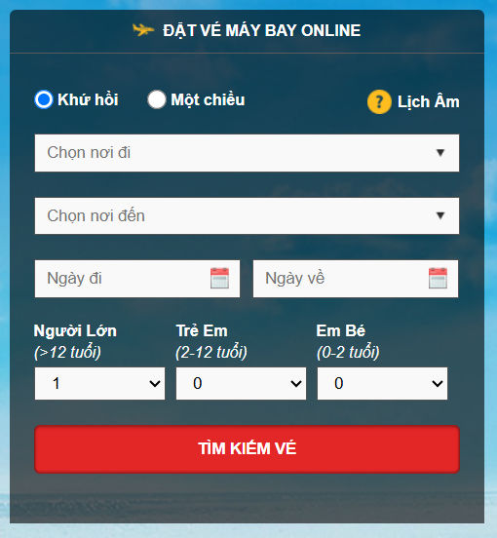 |  | 1. Khứ hồi / Một chiều: Lựa chọn loại vé máy bay muốn đặt (khứ hồi hoặc một chiều). 2. Lịch âm: Biểu tượng thông tin về lịch âm, có thể hiển thị thông tin về lịch âm khi nhấn vào. 3. Chọn nơi đi: Dropdown để chọn địa điểm xuất phát. 4. Chọn nơi đến: Dropdown để chọn địa điểm đến. 5. Ngày đi: Trường chọn ngày khởi hành. 6. Ngày về: Trường chọn ngày quay về (chỉ hiển thị nếu chọn vé khứ hồi). 7. Người Lớn (>12 tuổi): Dropdown để chọn số lượng hành khách từ 12 tuổi trở lên (Bắt buộc phải có ít nhất 1 người lớn trong một đơn đặt vé). 8. Trẻ Em (2-12 tuổi): Dropdown để chọn số lượng trẻ em đi cùng (Không thể đặt vé mà không có ít nhất 1 người lớn đi kèm). 9. Bé (0-2 tuổi): Dropdown để chọn số lượng em bé đi cùng (Không thể đặt vé mà không có ít nhất 1 người lớn đi kèm). 10. Tìm kiếm vé: Nút bấm để thực hiện tìm kiếm chuyến bay dựa trên các thông tin đã nhập.

Nháp
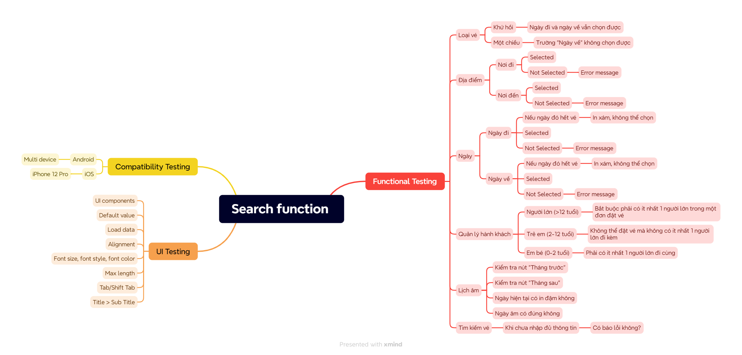
Quá trình phân tích yêu cầu này, kể cả lộ trình, các bước/khía cạnh sẽ kiểm thử

